Agile Report
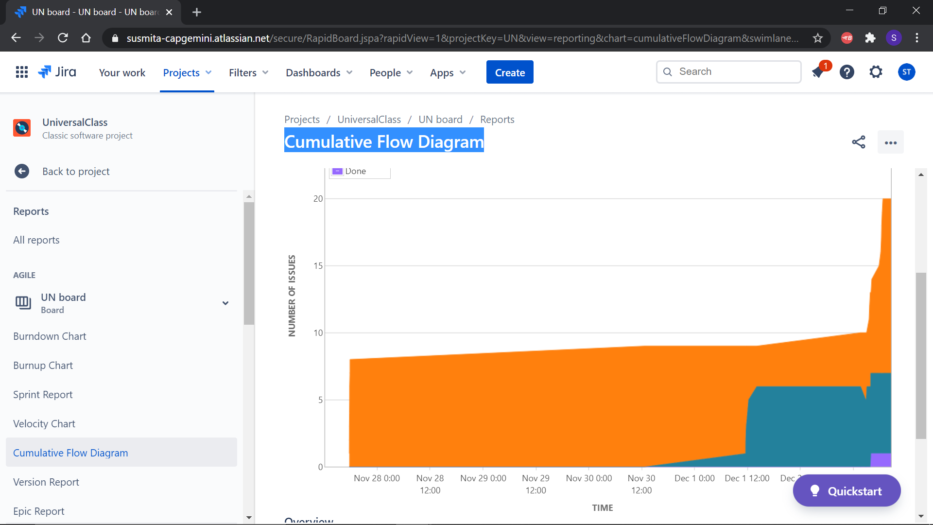
 |  | Agile Report

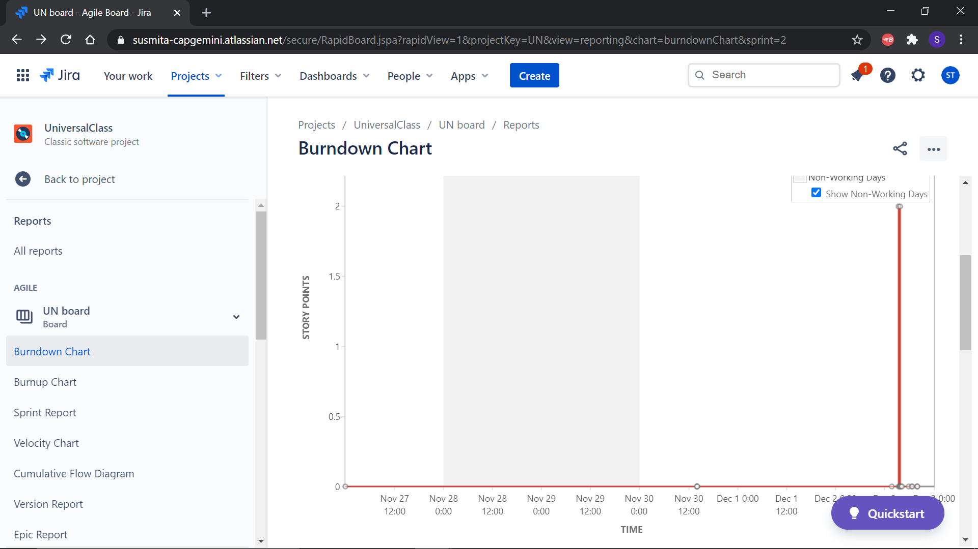
1 | Burndown Chart

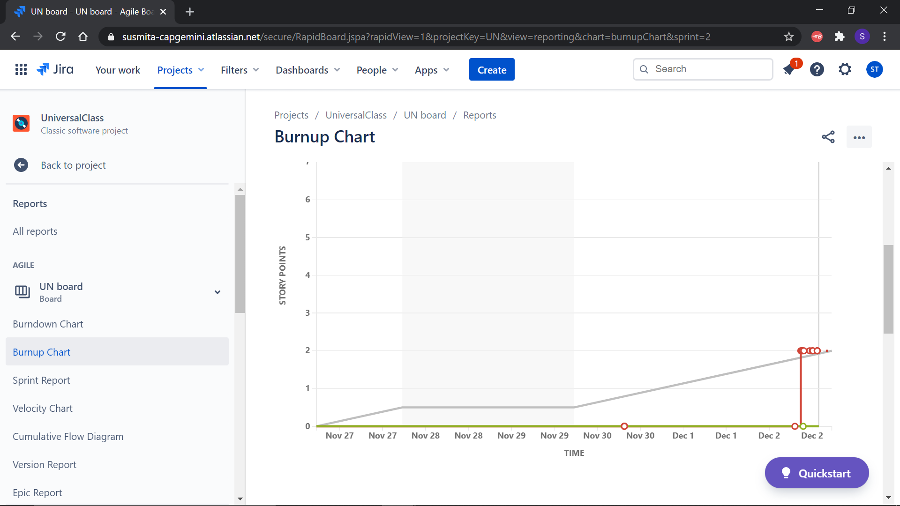
2 | Burnup chart

3 | Sprint Report
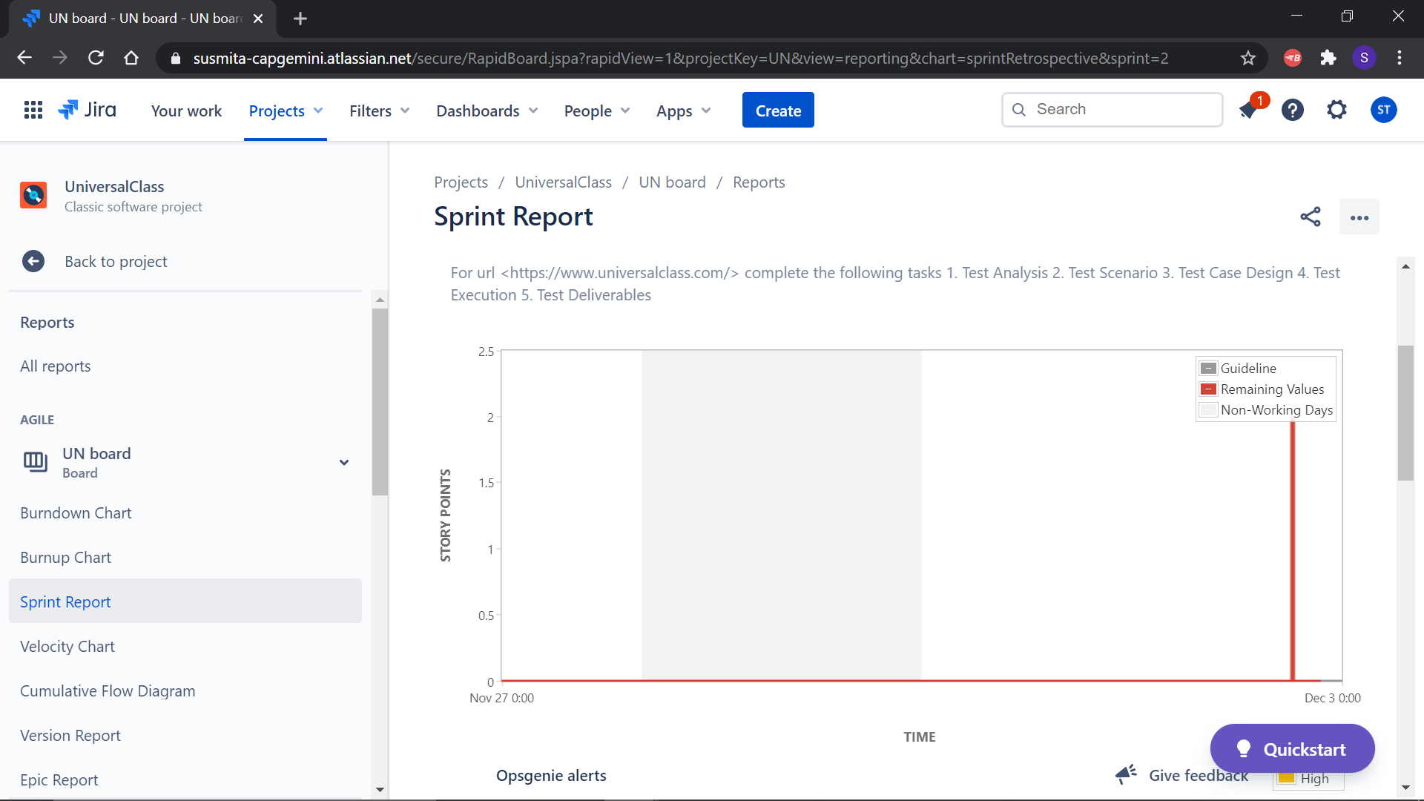

4 | Cumulative Flow
 | Diagram

